Wall Calculator
Disclaimer:
The publication of the material contained herein is not intended as a representation or warranty on the part of the American Iron and Steel Institute, or of any other person named herein. The materials set forth herein are for general information only. They are not a substitute for competent professional advice. Application of this information to a specific project should be reviewed by a design professional. Indeed, in many jurisdictions, such review is required by law. Anyone making use of the information set forth herein does so at their own risk and assumes any and all resulting liability arising therefrom.
With anticipated improvements in understanding of the behavior of cold-formed steel and the continuing development of new technology, this material may eventually become dated. It is anticipated that future editions of this spreadsheet will update this material as new information becomes available, but this cannot be guaranteed.
AISI S250-21 Determination of Thermal Transmittance of Wall Assemblies
with Standard C-Shapes
Date of Estimation: | 14-Apr-22
Individual Name: | H. Chen
Company Name and Address: | AISI, Washington DC
Project Name: | This is a test
Project Location: | Washington, DC
User Note:These values illustrated in Tables C-B3.1-1 to C-B3.1-6 below are intended to be representative of some of the materials that are available from manufacturers. They are included primarily as a guide in the design of wall assemblies with cold-formed steel framing members. Although the values are useful for preliminary design, users should consult the literature of material providers for actual thermal property data when specifying products. Users must be careful when applying values from other reliable sources to ensure consistent units with the intent of AISI S250.
 |  |  |  | Illustration of CFSdepth
This estimation tool is for determining the thermal transmittance of walls containing |  |  |  | & CFSwebairspace:
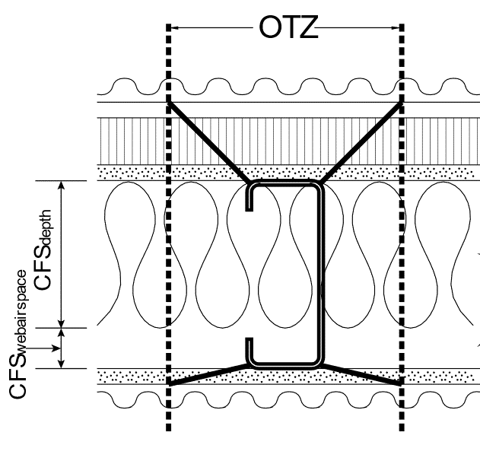
standard C-shapes and tracks with spacings of 6", 12", 16", and 24" o.c..
Please refer AISI S250-21 for additional requirements.
Note: All the calculations are based on AISI S250-21.
(Green cells for input of values. All other cells are locked.)
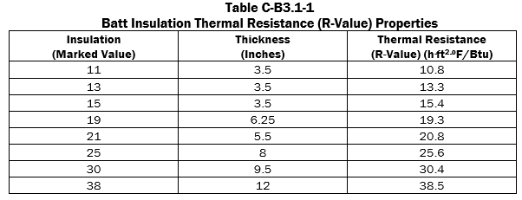
Input:
C-shape designation: | 600S162-43
Spacing of framing members (FS): | 16 | in.
Designation thickness: | 33 | Mils
Stud overall depth: | 6 | in.
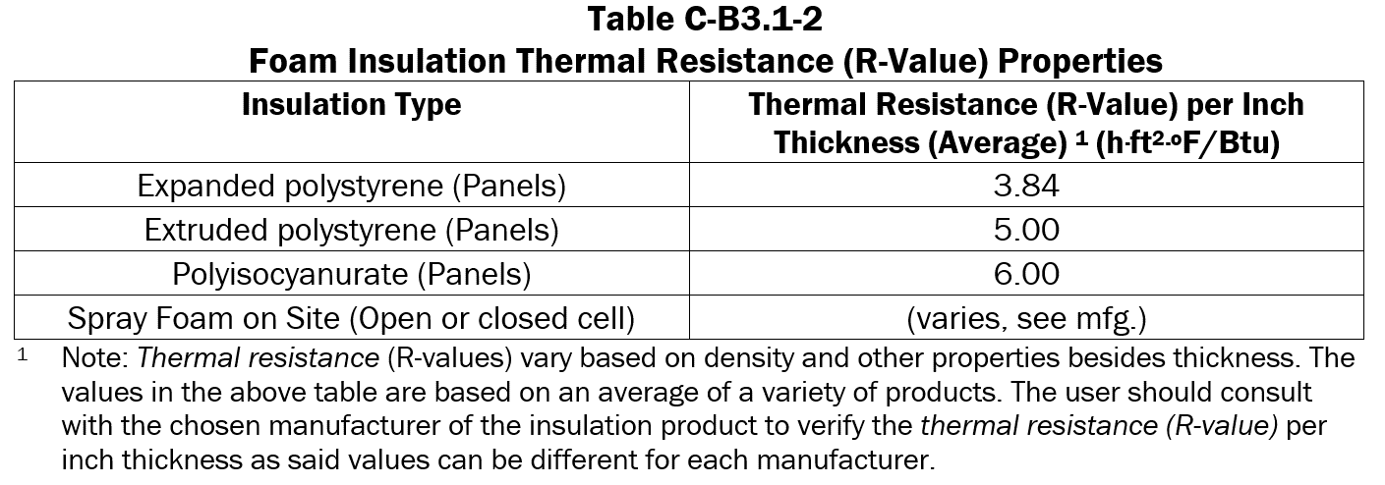
Flange width (CFSflange): | 1.625 | in.
Web depth in contact w/ cavity insulation (CFSdepth): | 6 | in.
CFSwebairspace: | 0 | in.
Note, k is based on Table B3.1.3-1. k is permitted to be linear interpolated for non-standard designation thickness.
Thermal conductivity (k): | 381 | Btu/h.ft2F | Table B3.1.3-1
R-air film outside (R0): | 0.17 | h.ft2F/Btu
R-siding (Sideext): | 0.07 | h.ft2F/Btu
R-continuous insulation (Rshe): | 6 | h.ft2F/Btu
R-all exterior sheathings (Sheathext): | 0.56 | h.ft2F/Btu
R-cavity insulation (Rins): | 19 | h.ft2F/Btu
R-air space (Rair): | 0 | h.ft2F/Btu
R-cavity (Rcav = Rins + Rair): | 19 | h.ft2F/Btu
R-all interior sheathings (Sheathint): | 0.56 | h.ft2F/Btu
R-air film inside (Ri): | 0.68 | h.ft2F/Btu

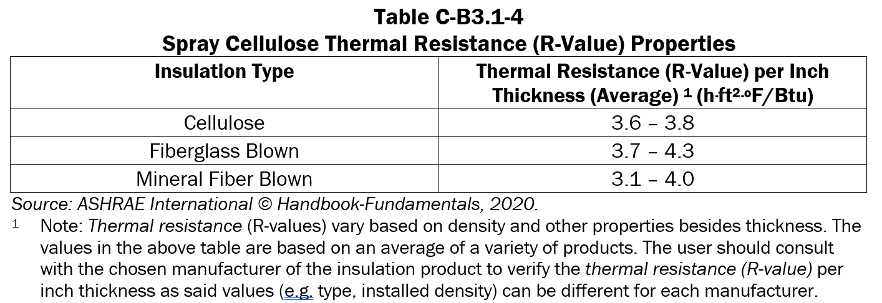
Note, C₀ to C₅ values are based on Table B3.1.1-1. C₀-C₅ are permitted to be linear interpolated for non-standard designation thickness.
Calculations:
C0: | 2.2771
C1: | 0.03843
C2: | 0.1964
C3: | -0.001141
C4: | -0.005237
C5: | 0.003197
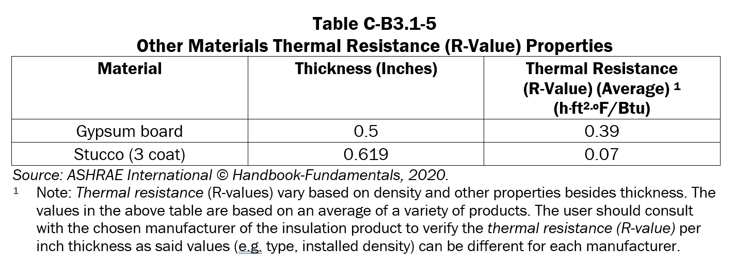
Overall thermal zone (OTZ): | 3.94970 | in. | Eq. B3.1.1-1

Framing factor (FFcs): | 0.02031 |  | Eq. B3.1.2-1

R-web of CFS member (Rs-wall): | 0.01575 | h.ft2F/Btu | Eq. B3.1.3-1

U1: | 1.341 | Btu/h.ft2F | Eq. B3.1.3-2
R1: | 0.746 | h.ft2F/Btu | Eq. B3.1.3-3
R of cavity air space (Rair): | 0.910 | h.ft2F/Btu
U2: | 0.000 | Btu/h.ft2F | Eq. B3.1.4-1
R2: | 0.000 | h.ft2F/Btu | Eq. B3.1.4-2
R3: | 0.746 | h.ft2F/Btu | Eq. B3.1.5-1

R-C-shape path (Rsps): | 8.786 |  | Eq. B3.1.6-1
R-cavity path(Rspc): | 27.040 |  | Eq. B3.1.6-2

OTZ framing factor (FFotz): | 0.247 |  | Eq. B3.1.7-1

Overall thermal transmittance (Uo): | 0.056 | Btu/h.ft2F | Eq. B3.1.8-1

Print Wall Results
AISI S250-21 Determination of Thermal Transmittance of Wall Assemblies with Standard C-Shapes
Disclaimer:
The publication of the material contained herein is not intended as a representation or warranty on the part of the American Iron and Steel Institute, or of any other person named herein. The materials set forth herein are for general information only. They are not a substitute for competent professional advice. Application of this information to a specific project should be reviewed by a design professional. Indeed, in many jurisdictions, such review is required by law. Anyone making use of the information set forth herein does so at their own risk and assumes any and all resulting liability arising therefrom. With anticipated improvements in understanding of the behavior of cold-formed steel and the continuing development of new technology, this material may eventually become dated. It is anticipated that future editions of this spreadsheet will update this material as new information becomes available, but this cannot be guaranteed.

Date of Estimation: | 14-Apr-22
Individual Name: | H. Chen
Company Name and Address: | AISI, Washington DC
Project Name: | This is a test
Project Location: | Washington, DC

This estimation tool is for determining the thermal transmittance of walls containing standard C-shapes
and tracks with spacings of 6", 12", 16", and 24" o.c.. Please refer AISI S250-21 for additional requirements.

Description - Cold-formed steel | Value | Units
C-shape designation | 600S162-43
Spacing of framing members (FS) | 16 | in.
Flange width (CFSflange) | 1.625 | in.
Web depth | 6 | in.
Designation thickness | 33 | in.
Conductivity value (k) | 381 | Btu/h.ft2F
Description - Wall assembly components | Value | Units
Air film - Outside (Ro) | 0.17 | h.ft2F/Btu
Siding (Sideext) | 0.07 | h.ft2F/Btu
Continuous insulation (Rshe) | 6 | h.ft2F/Btu
All exterior sheathings (Sheathext) | 0.07 | h.ft2F/Btu
Cavity insulation (Rins) | 19 | h.ft2F/Btu
Depth of cavity insulation in contact with cold-formed steel web (CFSdepth) | 6 | in.
Cavity air space if present (Rair) | 0 | h.ft2F/Btu
Dept of cavity air space (CFSwebairspace) | 0 | in.
All interior sheathings (Sheathint) | 0.56 | h.ft2F/Btu
Air film - inside (Ri) | 0.68 | h.ft2F/Btu

Calculated results:
Overall thermal transmittance (Uo) | 0.056 | Btu/h.ft2F

Conventional Roof Calculator
AISI S250-21 Determination of Thermal Transmittance of Conventional Roof Framing
Disclaimer:
The publication of the material contained herein is not intended as a representation or warranty on the part of the American Iron and Steel Institute, or of any other person named herein. The materials set forth herein are for general information only. They are not a substitute for competent professional advice. Application of this information to a specific project should be reviewed by a design professional. Indeed, in many jurisdictions, such review is required by law. Anyone making use of the information set forth herein does so at their own risk and assumes any and all resulting liability arising therefrom.
With anticipated improvements in understanding of the behavior of cold-formed steel and the continuing development of new technology, this material may eventually become dated. It is anticipated that future editions of this spreadsheet will update this material as new information becomes available, but this cannot be guaranteed.

Date of Estimation: | 11-May-21
Individual Name: | H.Chen
Company Name and Address: | AISI, Washington DC
Project Name: | Test program
Project Location: | Washington, DC

This calculator is for determining the thermal transmittance of joist and rafter roof framing.

Note: All the calculations and requirements are based on AISI S250-21.
(Green cells for input of values. All other cells are locked from access.)

Input: | Values | Units | Check Limit
Project description: | This is an example for joist & rafter framing
Joist spacing: | 16 | in. | OK
Joist depth: | 12 | in. | OK
R-roof/ceiling components along heat transfer path,excluding steel & cavity inslation (Rs-roof): | 10 | h.ft2F/Btu
R-insulation between ceiling joists (Rins): | 35 | h.ft2F/Btu | OK
Correction factor (Fc) (Calculated per Table B4.1-1): | 0.42
Calculated results: | Values | Units | S250-21 Eq.
U-factor (Ur): | 0.0405 | Btu/h.ft2F | Eq. B4.1-1

Truss Roof Calculator
AISI S250-21 Determination of Thermal Transmittance of Roof/Ceiling Framing
Disclaimer:
The publication of the material contained herein is not intended as a representation or warranty on the part of the American Iron and Steel Institute, or of any other person named herein. The materials set forth herein are for general information only. They are not a substitute for competent professional advice. Application of this information to a specific project should be reviewed by a registered professional. Indeed, in many jurisdictions, such review is required by law. Anyone making use of the information set forth herein does so at their own risk and assumes any and all resulting liability arising therefrom.
With anticipated improvements in understanding of the behavior of cold-formed steel and the continuing development of new technology, this material may eventually become dated. It is anticipated that future editions of this spreadsheet will update this material as new information becomes available, but this cannot be guaranteed.

Date of Estimation: | 28-May-21
Individual Name: | H. Chen
Company Name and Address: | AISI, Washington DC
Project Name: | Test program
Project Location: | Washington, DC

This calculator is for determining the thermal transmittance of C-shape roof truss framing.
Note: The following calculations follow the requirements in AISI S250-21.
(Green cells for input of values. All other cells are locked from access.)

Input: | Vaue | Units
Project Description: | This is an example for joist & rafter framing
R-cavity insulation (Rins) at bottom chord members: | 30 | h.ft2F/Btu
Foam insulation (Input: "No" for no foam insulation, or "R-3" or "R-5" with foam insulation): | R-5

Calculated results:
Coefficient: | 7.082 | Btu/h.ft2F | Note, other than "R-3" or "R-5", 0.33 is used.
U-factor (Ut): | 0.0303 | Btu/h.ft2F | Eq. B4.2-1 to B4.2-3

